Table 1
Rly : WR P.L.No. | Old Pl No. |  | Uni. Pl No Uni_YN |  |  |  |  | Sec | FILE |  | HISTORY SHEET Date : 03-JAN-23 CP SRS Vit/Saf ABC PAS.NCT MUST.CHG SHELF SOURCE UNF.RLY Wt KG
30010111 | Y 15 |  |  |  |  |  |  |  | 0500 04 04 |  |  |  | SAF A N |  |  |  |  |  |  | N NA |  |  |  |  | ICF
Axle Box Housing Finish machined as per ICF Drg.No.T-0-2-602, Sheet 1 & 2,Alt.u/14. Item No.2. Conforming to RDSO Specn. No.RDSO-2007- CG-08,Amend.Slip No.1 of July 2009. Spec:T02602 D0928ADM[BVPW] 01/09/22 05:29:10 As per CWM-BVP letter no. S.234/AAC/General dt. 09.05.2022, requirement from Stores for FY 2022-23 will be 445 Nos.
D0961NLS[DHD-L] 28/07/22 04:03:46 Dy. CMM (C&W) CCG :-AAC- 40 Nos. for CP. 2022-23 CWM DHD Letter No. M266/ W/ Advance Intimation 22-23 Dated. 29.04.2021 & AAC- 40 Nos. for CP. 2023-24 CWM DHD L/No. M266/W/Advance Intimation 23-24 Dated. 21.02.2022.
D0962LG2[PRTN-CW] 23/05/22 03:31:27 PRTN Depot AAC 48 Nos. for CP 22-23 as advised by HQ.
D0902L1[PL-CR] 28/02/22 04:57:18 AS PER DY.CME/P/PL’S LETTER NO-S 226/2/1 AR DT: 01/02/2022, PROPOSED AAC FOR 2022-23 IS 455 NOS, POH and Bogie IOH. STOCK, AAC AND CONSUMPTION DETAILS
DEPOT |  | WD CAT |  | MDP |  |  | CONSUMPTION / SALES 19-20 20-21 21-22 22-23 |  |  |  |  |  |  |  | AAC AAC NCP |  |  |  |  | STOCK (MTHS) |  |  |  | SPARE STOCK |  |  | LI DT LR DT |  | B.RATE UNIT
02 PL-CR 28 BVPW 61 DHD-L 62 PRTN-CW |  | 25 10 02 67 10 28 00 10 61 50 10 62 |  |  |  |  | 577 90 331 0 23 0 47 0 |  | 515 90 488 0 7 0 68 0 |  | 389 180 200 0 9 0 93 0 |  | 253 0 180 20 5 0 65 0 |  | 244 244 121 121 9 9 27 27 |  |  |  |  | 55 0 (2.7) 41 0 (4.1) 5 0 (6.7) 50 0 (22.2) |  |  |  |  |  |  | 31/12/22 01/07/22 21/12/22 30/06/22 17/10/22 08/05/19 01/12/22 07/04/22 |  | 14176.02 Nos. 12358.90 Nos. 13155.34 Nos. 13767.82 Nos.
TOTAL( CONSUMPTION ): |  |  |  |  |  |  | 978 |  | 1078 |  | 691 |  | 503 |  | 401(Cat-10, MDP) |  |  |  |  | 151 (4.5 months)
Total available Stock of selected item in Digital Ledgers maintained by Users / Consignees of Western Railway in UDM
Stock Qty 33.000 Nos. |  |  |  |  |  |  |  |  |  | UN-COVERED DUES DETAILS |  |  |  |  |  |  |  |  |  |  | Stock Value 399895.18
Depot | Demand No. |  |  |  |  | Reg.Date |  |  |  |  | Due Qty |  |  | Unit Type |  |  |  | File/Tender No. |  |  |  |  |  | Due Date |  |  |  | Remarks
NO UN-COVERED DUES FOR THIS ITEM
RLY.BOARD INDENT COVERAGE DETAILS P.O.No./Vendor Name Sr Depot AI Rate PO Qty Unit Due Qty Start DP Dely.Dt Dem.No.
NO COVERAGE FOR THIS ITEM
COVERED DUES DETAILS P.O.No./Vendor Name Sr Depot AI Rate PO Qty Unit Due Qty Start Dp Dely.Dt Dem.No.
P.O.No.15220500105239 dt.14- oct-2022 on M/s.JAI MULTI ENGINEERING CO.-DERA BASSI RITES-INSP-CALL PO-CAT:[ Reg ] P.O.No.15220500105240 dt.14- oct-2022 on M/s.ATUL ENGINEERING UDHYOG-AGRA RITES-INSP-CALL PO-CAT:[ Reg ] P.O.No.52201179800742 dt.31- aug-2020 on M/s.PCMM Office, Central Railway, Mumbai - 400001 RITES-INSP-CALL PO-CAT:[ Reg ] |  |  |  |  |  |  |  | 001 002 003 001 002 003 001 | PL-CR BVPW DHD-L PL-CR BVPW DHD-L PL-CR |  |  | 16048 16048 16048 16048 16048 16048 11184.89 |  |  |  | 180 70 16 120 46 10 200 |  | Nos. Nos. Nos. Nos. Nos. Nos. Nos. |  |  |  | 180 70 16 120 46 10 140 | 01/04/23 01/04/23 01/04/23 01/04/23 01/04/23 01/04/23 01/09/20 |  |  |  | 31/05/23 0222043056 31/05/23 2822043056 31/05/23 6122043056 31/05/23 0222043056 31/05/23 2822043056 31/05/23 6122043056 31/07/22 0220080061
ORDERS PLACED DURING LAST 3 YEARS
P.O.No./Vendor Name |  |  |  |  | Sr Depot |  |  |  |  |  | AI Rate |  | PO Qty |  | Unit |  | Canc Qty |  | Rej. Qty |  |  | Recd Qty | Org.DP |  |  | Start DP |  | Ext.DP |  | PO Status
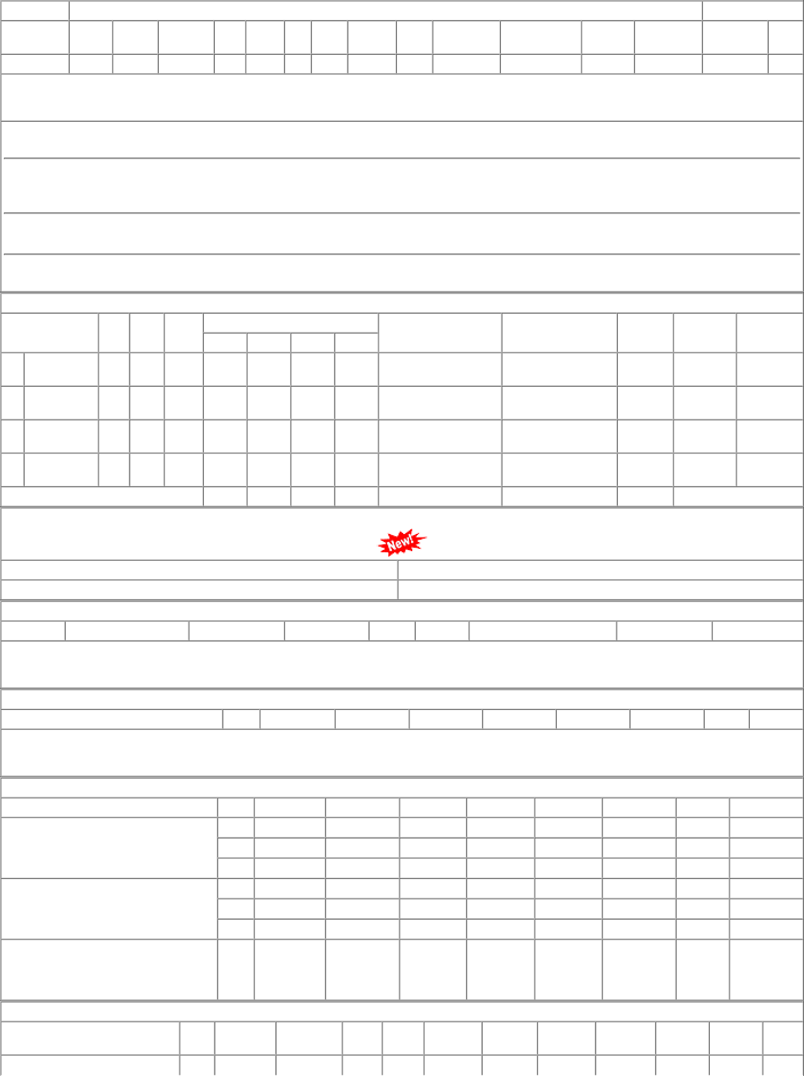
P.O.No.15220500105240 |  |  |  |  | 001 |  |  | PL-CR 16048.00 |  |  |  |  | 120 |  | Nos. 0 0 |  |  |  |  |  |  | 0 31/05/23 |  |  |  | 01/04/23 31/05/23 OP

